Diff Bw ODDS & PROABABILITY

DIFFERENCE IN BETWEEN ODDS & PROBABILITY

REFERENCE STAT QUEST (ODDS & PROBABILITY) Link --> https://www.youtube.com/watch?v=ARfXDSkQf1Y&t=174s

Tuning Par for Logistic Reg
Some Important Tuning Parameter for Logistic Regression

 | →C: inverse of Regularization StrengthC is known as a "hyperparameter." The parameters are numbers that tell the model what to do with the characteristics, whereas the hyperparameters instruct the model on how to choose parameters. Regularization will penalize the extreme parameters, the extreme values in the training data leads to overfitting. A high value of C tells the model to give more weight to the training data. A lower value of C will indicate the model to give complexity more weight at the cost of fitting the data. Thus, a high Hyper Parameter value C indicates that training data is more important and reflects the real world data, whereas low value is just the opposite of this.

 | →Penalty : Type of Regularization L1(Ridge) , L2(LASSO) , Elastic Net Regularization C Basically Helps to Increase & Decrease Penalty Factor (Control The Regularization)

 | 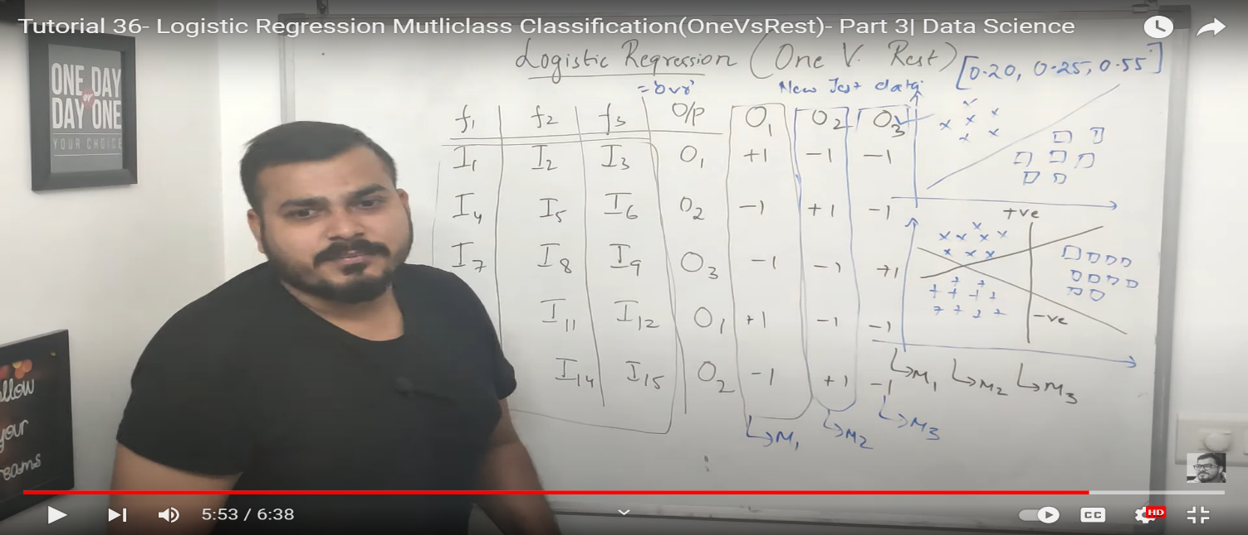 →MultiClass:{‘auto’, ‘ovr’, ‘multinomial’}, default=’auto’ A. ovr : On their own, logistic regressions are only binary classifiers, meaning they cannot handle target vectors with more than two classes. However, there are clever extensions to logistic regression to do just that. In one-vs-rest logistic regression (OVR) (Basically in Multi Class) a separate model is trained like (M1 or M2 or M3)for each class predicted whether an observation is that class or not (thus making it a binary classification problem). It assumes that each classification problem (e.g. class 0 or not) is independent. So in other words for every Class Prediction Anew Model is Created & then on the basis of probability whichever Model have highest probability will be selected [HERE KRISHNA NAIK VIDEO SCREENSHOT IS ATTACHED FOR OVR].

 | B.auto:‘auto’ selects ‘ovr’ if the data is binary, or if solver=’liblinear’, and otherwise selects ‘multinomial’. Basically in other word auto select on the basis of solver parameter what type of multi class is used. C.multinomial’ : Multinomial logistic regression is used when you have a categorical dependent variable with two or more unordered levels (i.e. two or more discrete outcomes). It is practically identical to logistic regression, except that you have multiple possible outcomes instead of just one. {If the option chosen is ‘ovr’, then a binary problem is fit for each label. For ‘multinomial’ the loss minimised is the multinomial loss fit across the entire probability distribution, even when the data is binary. ‘multinomial’ is unavailable when solver=’liblinear’. ‘auto’ selects ‘ovr’ if the data is binary, or if solver=’liblinear’, and otherwise selects ‘multinomial’.}

 | 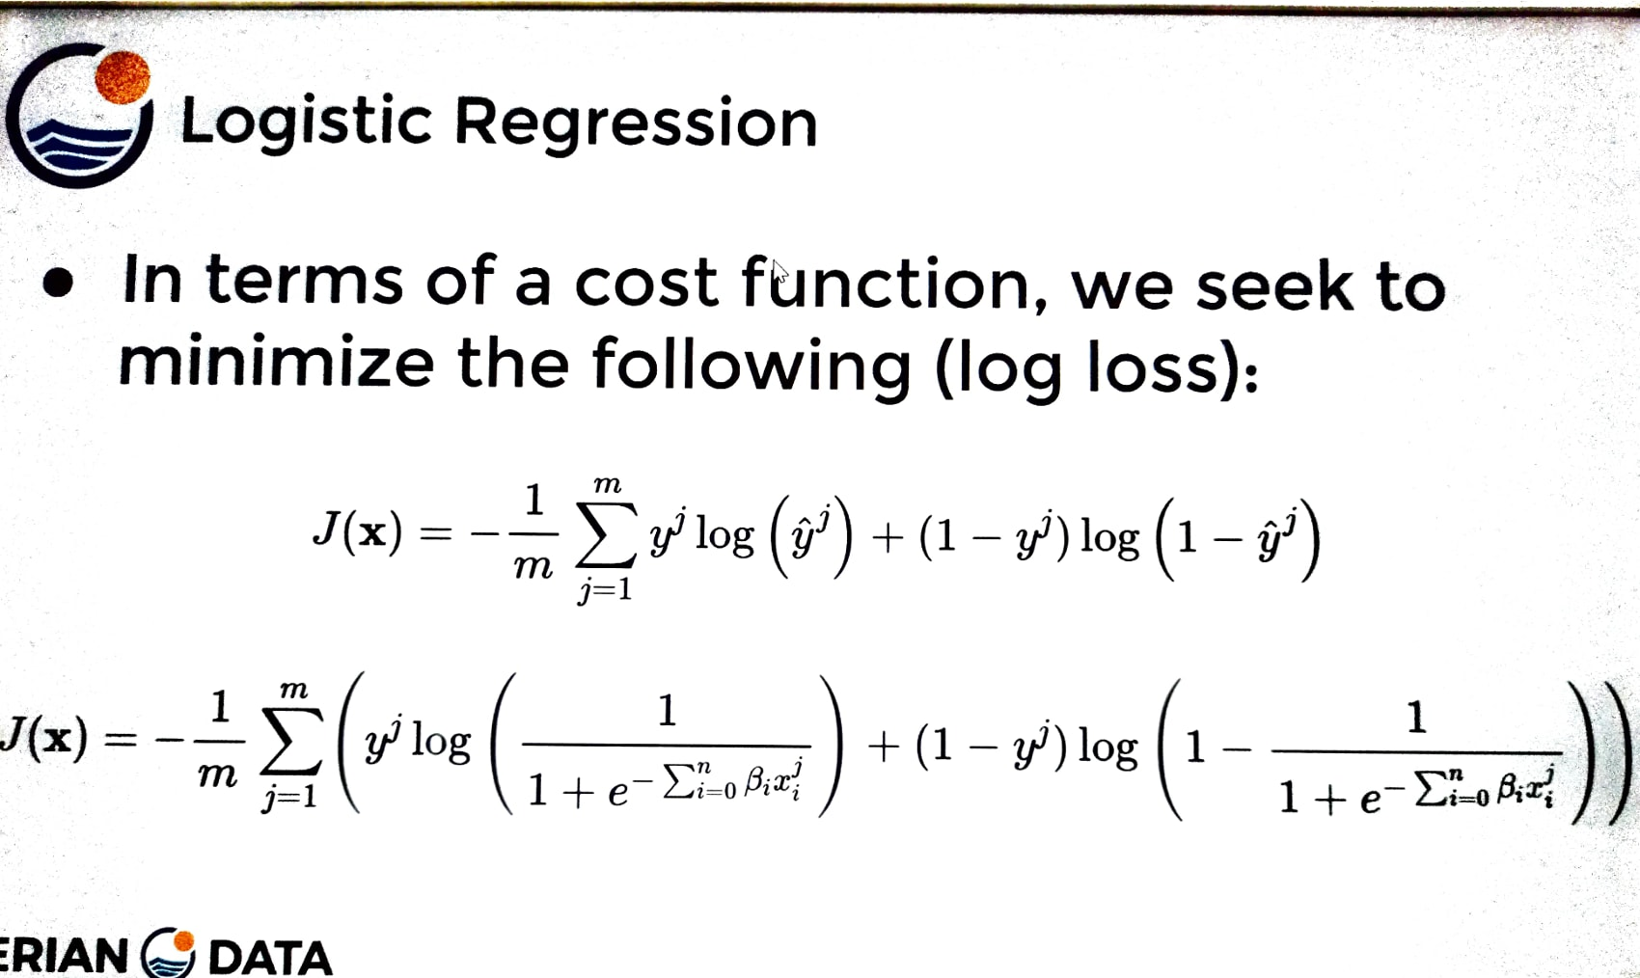

 | SOLVER A.Basically Liblinear --liblinear — (Library for Large Linear Classification) Uses a coordinate descent algorithm. Coordinate descent is based on minimizing a multivariate function by solving univariate optimization problems in a loop. In other words, it moves toward the minimum in one direction at a time.So That 's why in Liblinear we solved problem at univariate or linearly based format same goes to ovr where each output is categorizes every time on the basis of new model is created & best model is selected based on the probability.So here we following linearly or (BINARY BASED PROBLEM SOLVING).

 | B.SAGA-->(Stochastic Average Gradient )The SAGA solver is a variant of SAG that also supports the non-smooth penalty L1 option (i.e. L1 Regularization). This is therefore the solver of choice for sparse multinomial logistic regression and it's also suitable for very Large dataset.That' s why Solver With SAGA is very optmize for multinomial losses instead of ovr . C.lbfgs-->

 | 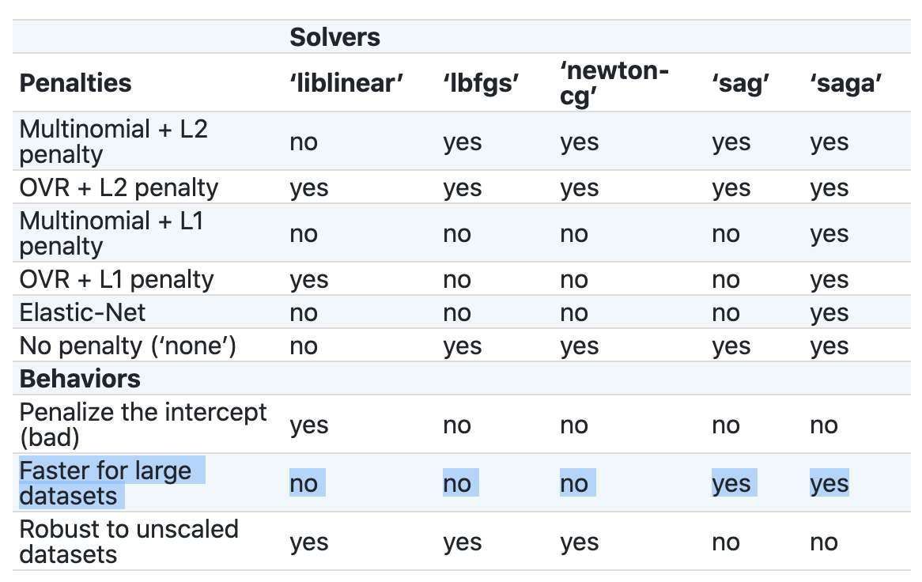 →Solver: Algorithm Used For Optimization ↓ Below Table See Scikit Learn Pl see in Scikit Learn Logistic Regrssion For Parameters value (Google).Here is the Link -->https://scikit-learn.org/stable/modules/generated/sklearn.linear_model.LogisticRegression.html

